Sheet1
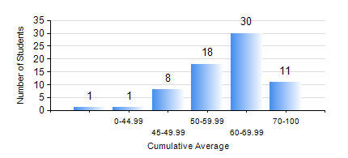
 |  |  | KWAME NKRUMAH UNIVERSITY OF SCIENCE AND TECHNOLOGY, KUMASI Department of Materials Engineering

 |  |  | BSC. MATERIALS ENG.

 |  |  | COMPREHENSIVE RECORD OF EXAMINATION RESULTS

 |  |  | RESULTS OF YEAR 1 FIRST SEMESTER, 2022/2023 ACADEMIC YEAR

 | Sn | Course Code |  | Course Name | Credit Hours | Min. Mark | Max. Mark | Avg. Mark | Std. Dev. | No. Passed | No. Trailed | No. (Df) | No. (I) | No. (I*) | No. Tagged(I,I*,Df) | Total
 | 0. |  |  |  |  |  |  | 0 | 0 | 0 | 0 | 0 | 0 | 0 | 0 | 1
 | 1. | EE 151 |  | APPLIED ELECTRICITY | 3 | 49 | 90 | 64 | 8.81 | 68 | 0 | 0 | 0 | 0 | 0 | 68
 | 2. | ENGL 157 |  | COMMUNICATION SKILLS I | 2 | 35 | 78 | 60 | 9.17 | 66 | 2 | 0 | 0 | 0 | 0 | 68
 | 3. | MATH 151 |  | ALGEBRA | 4 | 40 | 96 | 67 | 12.94 | 68 | 0 | 0 | 0 | 0 | 0 | 68
 | 4. | ME 159 |  | TECHNICAL DRAWING | 2 | 30 | 93 | 64 | 12.7 | 67 | 1 | 0 | 0 | 0 | 0 | 68
 | 5. | ME 195 |  | ENGINEERING TECHNOLOGY I | 2 | 40 | 91 | 61 | 13.18 | 68 | 0 | 0 | 0 | 0 | 0 | 68
 | 6. | MSE 151 |  | INTRODUCTION TO THERMODYNAMICS | 2 | 26 | 82 | 51 | 12.83 | 61 | 7 | 0 | 0 | 0 | 0 | 68
 | 7. | MSE 153 |  | INTRODUCTION TO INFORMATION TECHNOLOGY | 2 | 30 | 71 | 54 | 9.38 | 67 | 1 | 0 | 0 | 0 | 0 | 68

